TdF2023 Stages
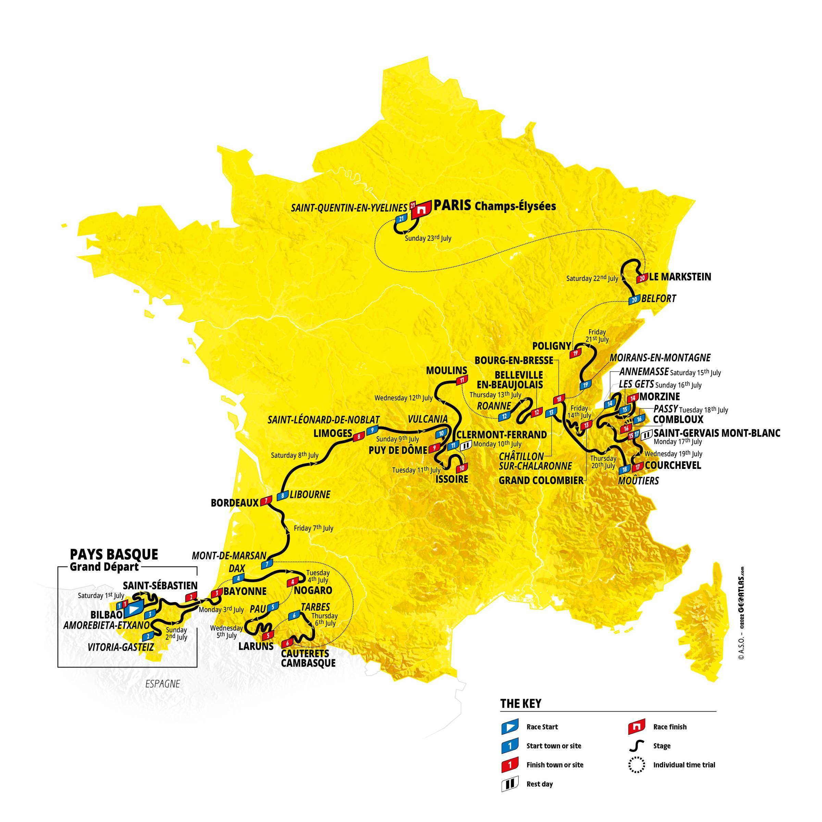
The Tour de France 2023: Stages
Stage | Type | Date | Start and Finish | Distance
1 | Hilly | 2023-07-01 | Bilbao > Bilbao | 182 km
2 | Hilly | 2023-07-02 | Vitoria-Gasteiz > Saint-Sébastien | 209 km
3 | Flat | 2023-07-03 | Amorebieta-Etxano > Bayonne | 193.5 km
4 | Flat | 2023-07-04 | Dax > Nogaro | 182 km
5 | Mountain | 2023-07-05 | Pau > Laruns | 163 km
6 | Mountain | 2023-07-06 | Tarbes > Cauterets-Cambasque | 145 km
7 | Flat | 2023-07-07 | Mont-de-Marsan > Bordeaux | 170 km
8 | Hilly | 2023-07-08 | Libourne > Limoges | 201 km
9 | Mountain | 2023-07-09 | Saint-Léonard-de-Noblat > Puy de Dôme | 182.5 km
Rest Day | Rest Day | 2023-07-10 | Clermont-Ferrand | Rest Day
10 | Hilly | 2023-07-11 | Vulcania > Issoire | 167.5 km
11 | Flat | 2023-07-12 | Clermont-Ferrand > Moulins | 180 km
12 | Hilly | 2023-07-13 | Roanne > Belleville-en-Beaujolais | 169 km
13 | Mountain | 2023-07-14 | Châtillon-sur-Chalaronne > Grand Colombier | 138 km
14 | Mountain | 2023-07-15 | Annemasse > Morzine Les Portes du Soleil | 152 km
15 | Mountain | 2023-07-16 | Les Gets les portes du soleil > Saint-Gervais Mont-Blanc | 179 km
Rest Day | Rest Day | 2023-07-17 | Saint-Gervais Mont-Blanc | Rest Day
16 | ITT | 2023-07-18 | Passy > Combloux | 22.4 km
17 | Mountain | 2023-07-19 | Saint-Gervais Mont-Blanc > Courchevel | 166 km
18 | Hilly | 2023-07-20 | Moûtiers > Bourg-en-Bresse | 185 km
19 | Flat | 2023-07-21 | Moirans-en-Montagne > Poligny | 173 km
20 | Mountain | 2023-07-22 | Belfort > Le Markstein Fellering | 133.5 km
21 | Flat | 2023-07-23 | Saint-Quentin-en-Yvelines > Paris Champs-Élysées | 115.5 km

TdF2022 Stages
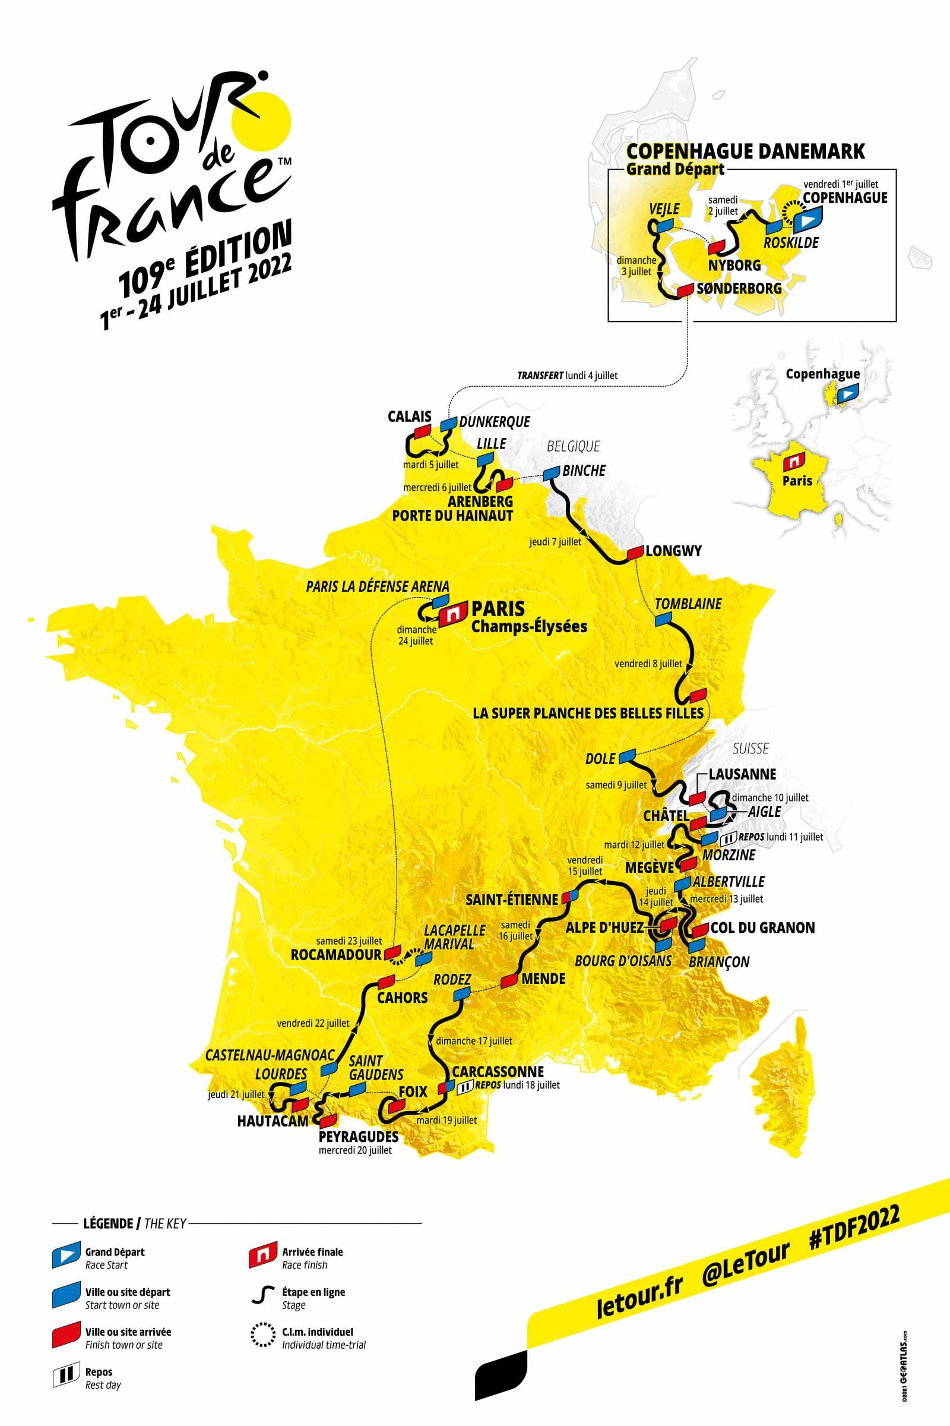
The Tour de France 2022: Stages
Stage | Type | Date | Start | Finish | Distance
1 | ITT | 2022-07-01 | Copenhagen (Denmark) | Copenhagen | 13km
2 | Flat | 2022-07-02 | Roskilde (Denmark) | Nyborg (Denmark) | 199km
3 | Flat | 2022-07-03 | Vejle (Denmark) | Sønderborg (Denmark) | 182km
Travel Day | Travel Day | 2022-07-04 | Sønderborg (Denmark) | Dunkirk | Travel Day
4 | Hilly | 2022-07-05 | Dunkirk | Calais | 172km
5 | Hilly | 2022-07-06 | Lille | Arenberg | 155km
6 | Hilly | 2022-07-07 | Binche (Belgium) | Longwy | 220km
7 | Mountain | 2022-07-08 | Tomblaine | La Planche des Belles Filles | 176km
8 | Hilly | 2022-07-09 | Dole | Lausanne (Switzerland) | 184km
9 | Mountain | 2022-07-10 | Aigel | Châtel | 183km
Rest Day | Rest Day | 2022-07-11 | Morzine | Morzine | Rest Day
10 | Hilly | 2022-07-12 | Morzine | Megève | 148km
11 | Mountain | 2022-07-13 | Albertville | Col du Granon | 149km
12 | Mountain | 2022-07-14 | Briançon | Alpe d'Huez | 148km
13 | Flat | 2022-07-15 | Bourg-d'Oisans | Saint-Étienne | 193km
14 | Hilly | 2022-07-16 | Saint-Étienne | Mende | 195km
15 | Flat | 2022-07-17 | Rodez | Carcassonne | 200km
Rest Day | Rest Day | 2022-07-18 | Carcassonne | Carcassonne | Rest Day
16 | Hilly | 2022-07-19 | Carcassonne | Foix | 179km
17 | Mountain | 2022-07-20 | Saint-Gaudens | Peyragudes | 130km
18 | Mountain | 2022-07-21 | Lourdes | Hautacam | 143km
19 | Flat | 2022-07-22 | Castelnau-Magnoac | Cahors | 189km
20 | ITT | 2022-07-23 | Lacapelle-Marival | Rocamadour | 40km
21 | Flat | 2022-07-24 | Paris La Défense Arena | Paris (Champs-Élysées) | 112km

TdF2021 Stages
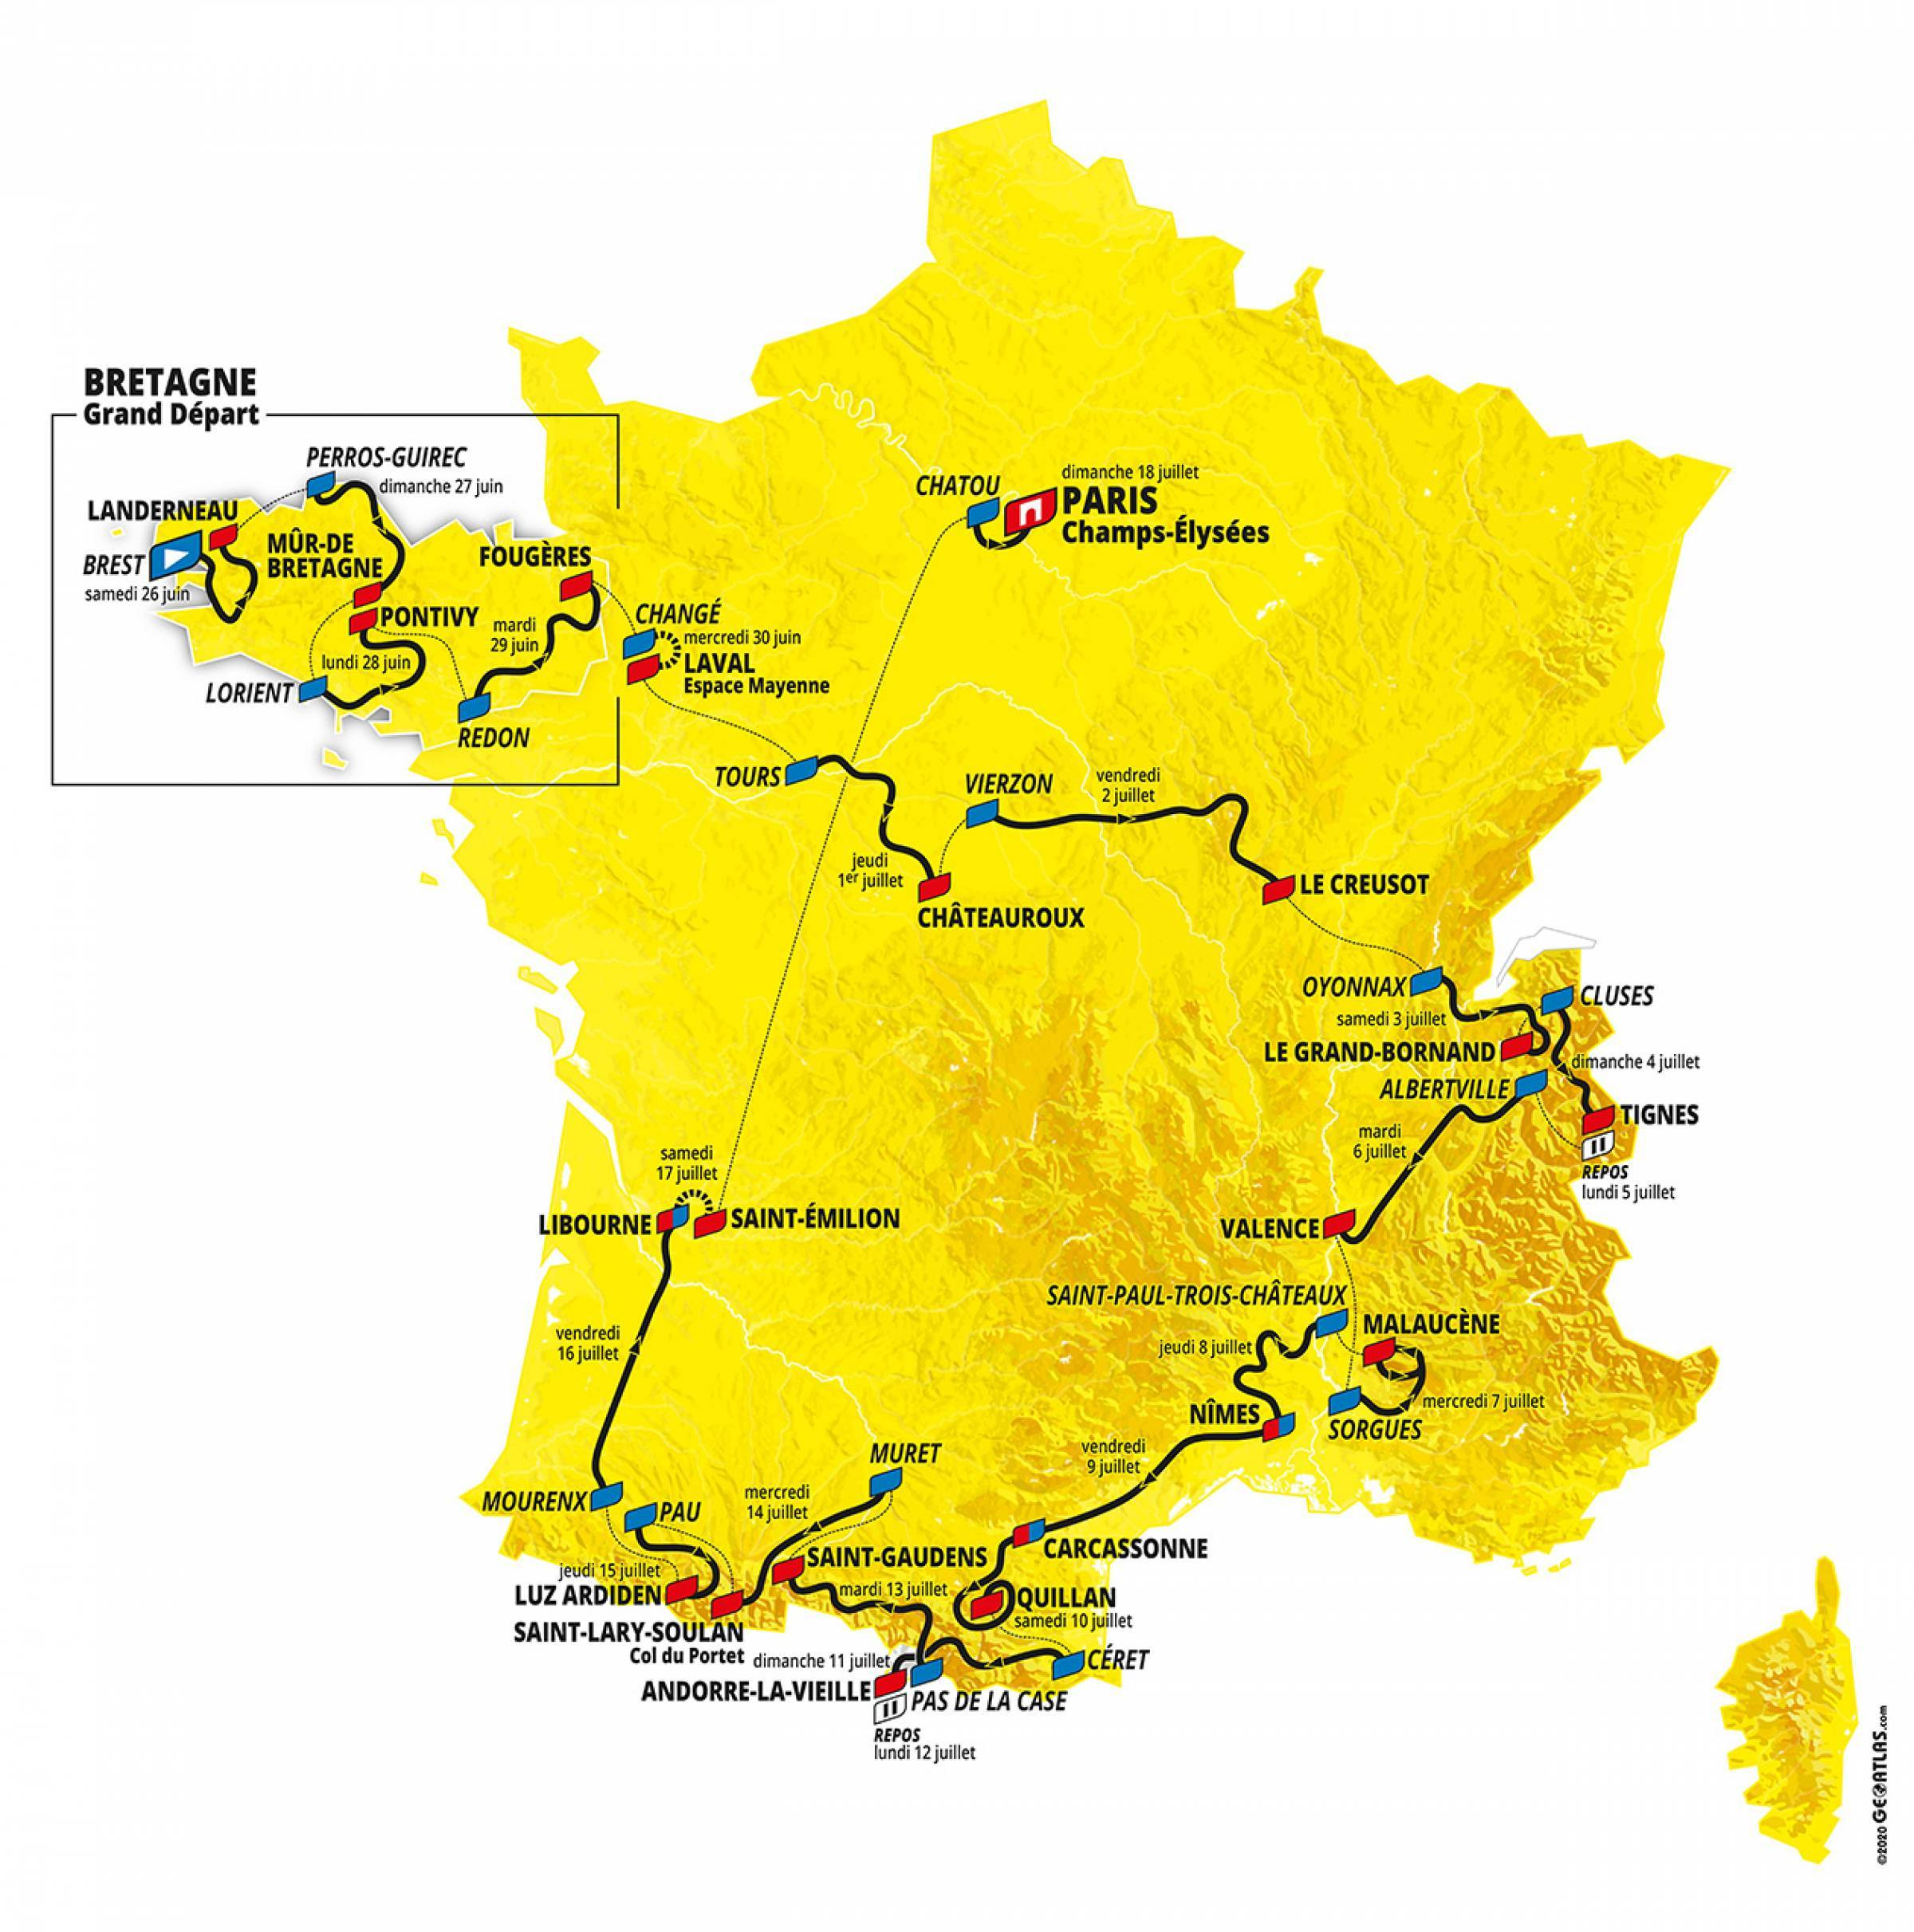
The Tour de France 2021: Stages
Stage | Type | Date | Start and Finish | Distance
1 | Hilly | 2021-06-26 | Brest > Landerneau | 197.8 km
2 | Hilly | 2021-06-27 | Perros-Guirec > Mûr-de-Bretagne Guerlédan | 183.5 km
3 | Flat | 2021-06-28 | Lorient > Pontivy | 182.9 km
4 | Flat | 2021-06-29 | Redon > Fougères | 150.4 km
5 | ITT | 2021-06-30 | Changé > Laval Espace Mayenne | 27.2 km
6 | Flat | 2021-07-01 | Tours > Châteauroux | 160.6 km
7 | Hilly | 2021-07-02 | Vierzon > Le Creusot | 249.1 km
8 | Mountain | 2021-07-03 | Oyonnax > Le Grand-Bornand | 150.8 km
9 | Mountain | 2021-07-04 | Cluses > Tignes | 144.9 km
Rest Day | Rest Day | 2021-07-05 | Tignes | Rest Day
10 | Flat | 2021-07-06 | Albertville > Valence | 190.7 km
11 | Mountain | 2021-07-07 | Sorgues > Malaucène | 198.9 km
12 | Flat | 2021-07-08 | Saint-Paul-Trois-Châteaux > Nîmes | 159.4 km
13 | Flat | 2021-07-09 | Nîmes > Carcassonne | 219.9 km
14 | Hilly | 2021-07-10 | Carcassonne > Quillan | 183.7 km
15 | Mountain | 2021-07-11 | Céret > Andorre-la-Vieille | 191.3 km
Rest Day | Rest Day | 2021-07-12 | Andorre | Rest Day
16 | Hilly | 2021-07-13 | Pas de la Case > Saint-Gaudens | 169 km
17 | Mountain | 2021-07-14 | Muret > Saint-Lary-Soulan Col du Portet | 178.4 km
18 | Mountain | 2021-07-15 | Pau > Luz Ardiden | 129.7 km
19 | Flat | 2021-07-16 | Mourenx > Libourne | 207 km
20 | ITT | 2021-07-17 | Libourne > Saint-Emilion | 30.8 km
21 | Flat | 2021-07-18 | Chatou > Paris Champs-Élysées | 108.4 km

TdF2020 Stages
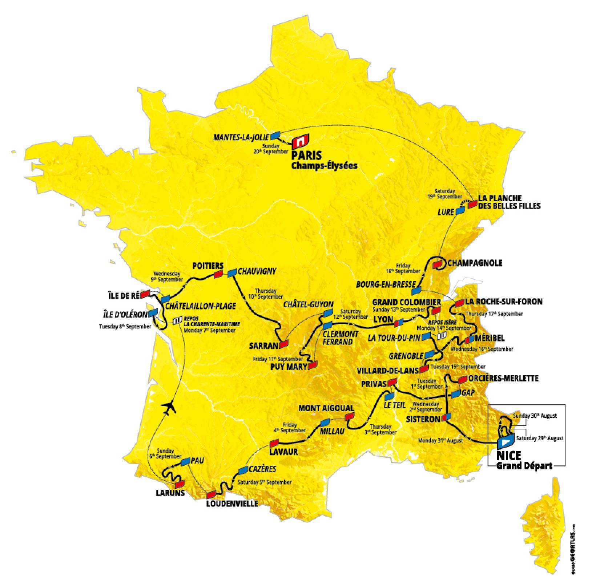
The Tour de France 2020: Stages
Stage | Type | Date | Start and Finish | Distance
1 | Flat | 2020-08-29 | Nice Moyen Pays > Nice | 156 km
2 | Mountain | 2020-08-30 | Nice Haut Pays > Nice | 186 km
3 | Flat | 2020-08-31 | Nice > Sisteron | 198 km
4 | Hilly | 2020-09-01 | Sisteron > Orcières-Merlette | 160.5 km
5 | Flat | 2020-09-02 | Gap > Privas | 183 km
6 | Hilly | 2020-09-03 | Le Teil > Mont Aigoual | 191 km
7 | Flat | 2020-09-04 | Millau > Lavaur | 168 km
8 | Mountain | 2020-09-05 | Cazères-sur-Garonne > Loudenvielle | 141 km
9 | Mountain | 2020-09-06 | Pau > Laruns | 153 km
Rest Day | Rest Day | 2020-09-07 | La Charente-Maritime | Rest Day
10 | Flat | 2020-09-08 | Île d'Oléron Le Château-d'Oléron > Île de Ré Saint-Martin-de-Ré | 168.5 km
11 | Flat | 2020-09-09 | Châtelaillon-Plage > Poitiers | 167.5 km
12 | Hilly | 2020-09-10 | Chauvigny > Sarran Corrèze | 218 km
13 | Mountain | 2020-09-11 | Châtel-Guyon > Puy Mary Cantal | 191.5 km
14 | Flat | 2020-09-12 | Clermont-Ferrand > Lyon | 194 km
15 | Mountain | 2020-09-13 | Lyon > Grand Colombier | 174.5 km
Rest Day | Rest Day | 2020-09-14 | Isère | Rest Day
16 | Mountain | 2020-09-15 | La Tour-du-Pin > Villard-de-Lans | 164 km
17 | Mountain | 2020-09-16 | Grenoble > Méribel Col de la Loze | 170 km
18 | Mountain | 2020-09-17 | Méribel > La Roche-sur-Foron | 175 km
19 | Flat | 2020-09-18 | Bourg-en-Bresse > Champagnole | 166.5 km
20 | ITT | 2020-09-19 | Lure > La Planche des Belles Filles | 36.2 km
21 | Flat | 2020-09-20 | Mantes-la-Jolie > Paris Champs-Élysées | 122 km

TdF2019 Stages
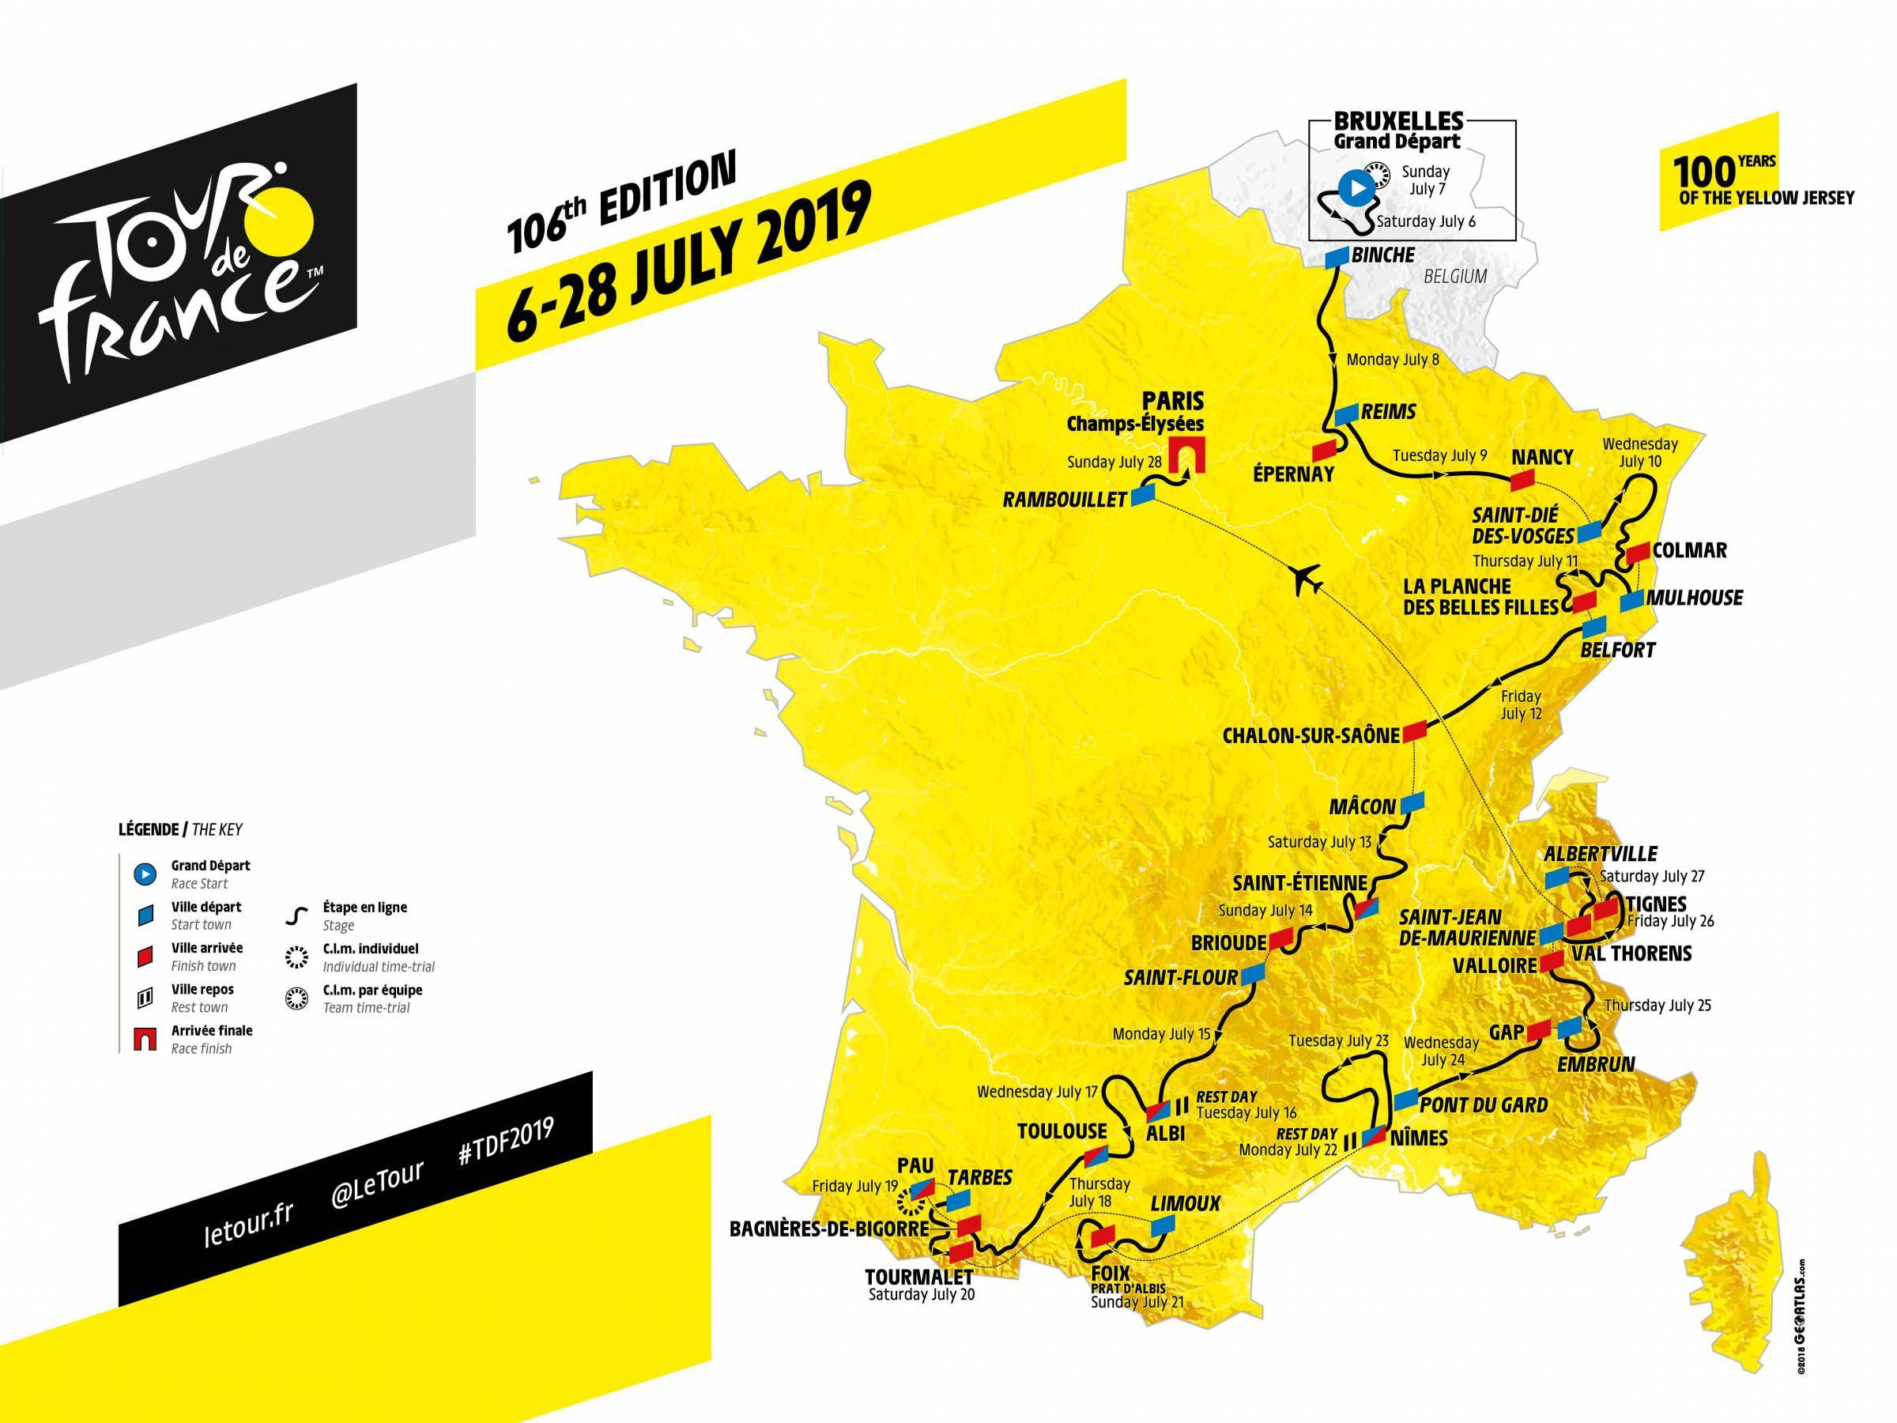
The Tour de France 2019: Stages
Stage |  | date | location | distance
Stage 1 | Flat | 2019-07-06 | Brussels > Brussels | 194.5 km
Stage 2 | TTT | 2019-07-07 | Brussels (TTT) | 27.6 km
Stage 3 | Hilly | 2019-07-08 | Binche > Epernay | 215 km
Stage 4 | Flat | 2019-07-09 | Reims > Nancy | 213.5 km
Stage 5 | Hilly | 2019-07-10 | Saint-Die-Des-Vosges > Colmar | 175.5 km
Stage 6 | Mountain | 2019-07-11 | Mulhouse > La Planche Des Belles Filles | 160.5 km
Stage 7 | Flat | 2019-07-12 | Belfort > Chalon-Sur-Saone | 230 km
Stage 8 | Hilly | 2019-07-13 | Macon > Saint-Etienne | 200 km
Stage 9 | Hilly | 2019-07-14 | Saint-Etienne > Brioude | 170.5 km
Stage 10 | Flat | 2019-07-15 | Saint-Flour > Albi | 217.5 km
Rest Day | Rest Day | 2019-07-16 | Albi | Rest Day
Stage 11 | Flat | 2019-07-17 | Albi > Toulouse | 167 km
Stage 12 | Mountain | 2019-07-18 | Toulouse > Bagneres-De-Bigorre | 209.5 km
Stage 13 | ITT | 2019-07-19 | Pau (ITT) | 27.2 km
Stage 14 | Mountain | 2019-07-20 | Tarbes > Tourmalet | 117.5 km
Stage 15 | Mountain | 2019-07-21 | Limoux > Foix | 185 km
Rest Day | Rest Day | 2019-07-22 | Nimes | Rest Day
Stage 16 | Flat | 2019-07-23 | Nimes > Nimes | 177 km
Stage 17 | Flat | 2019-07-24 | Pont Du Gard > Gap | 200 km
Stage 18 | Mountain | 2019-07-25 | Embrun > Valloire | 208 km
Stage 19 | Mountain | 2019-07-26 | Saint-Jean-De-Maurienne > Tignes | 126.5 km
Stage 20 | Mountain | 2019-07-27 | Albertville > Val Thorens | 130 km
Stage 21 | Flat | 2019-07-28 | Rambouillet > Paris Champs-Elysees | 128 km

TdF2018 Stages
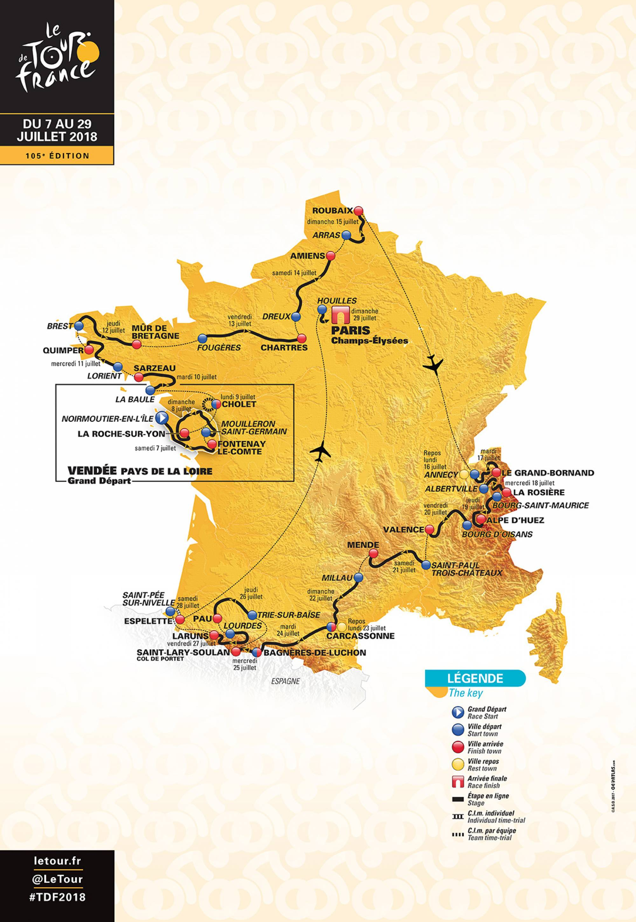
The Tour de France 2018: Stages

1 | Flat | 2018-07-07 | Noirmoutier-en-l'Île > Fontenay-le-Comte | 201 km
2 | Flat | 2018-07-08 | Mouilleron-Saint-Germain > La Roche-sur-Yon | 182.5 km
3 | TTT | 2018-07-09 | Cholet > Cholet | 35.5 km
4 | Flat | 2018-07-10 | La Baule > Sarzeau | 195 km
5 | Hilly | 2018-07-11 | Lorient > Quimper | 204.5 km
6 | Hilly | 2018-07-12 | Brest > Mûr-de-Bretagne Guerlédan | 181 km
7 | Flat | 2018-07-13 | Fougères > Chartres | 231 km
8 | Flat | 2018-07-14 | Dreux > Amiens Métropole | 181 km
9 | Hilly | 2018-07-15 | Arras Citadelle > Roubaix | 156.5 km
Rest Day | Rest Day | 2018-07-16 | Annecy | Rest Day
10 | Mountain | 2018-07-17 | Annecy > Le Grand-Bornand | 158.5 km
11 | Mountain | 2018-07-18 | Albertville > La Rosière Espace San Bernardo | 108.5 km
12 | Mountain | 2018-07-19 | Bourg-Saint-Maurice Les Arcs > Alpe d'Huez | 175.5 km
13 | Flat | 2018-07-20 | Bourg d'Oisans > Valence | 169.5 km
14 | Hilly | 2018-07-21 | Saint-Paul-Trois-Châteaux > Mende | 188 km
15 | Hilly | 2018-07-22 | Millau > Carcassonne | 181.5 km
Rest Day | Rest Day | 2018-07-23 | Carcassonne | Rest Day
16 | Mountain | 2018-07-24 | Carcassonne > Bagnères-de-Luchon | 218 km
17 | Mountain | 2018-07-25 | Bagnères-de-Luchon > Saint-Lary-Soulan Col du Portet | 65 km
18 | Flat | 2018-07-26 | Trie-sur-Baïse > Pau | 171 km
19 | Mountain | 2018-07-27 | Lourdes > Laruns | 200.5 km
20 | ITT | 2018-07-28 | Saint-Pée-sur-Nivelle > Espelette | 31 km
21 | Flat | 2018-07-29 | Houilles > Paris Champs-Élysées | 116 km

TdF2017 Stages
The Tour de France 2017
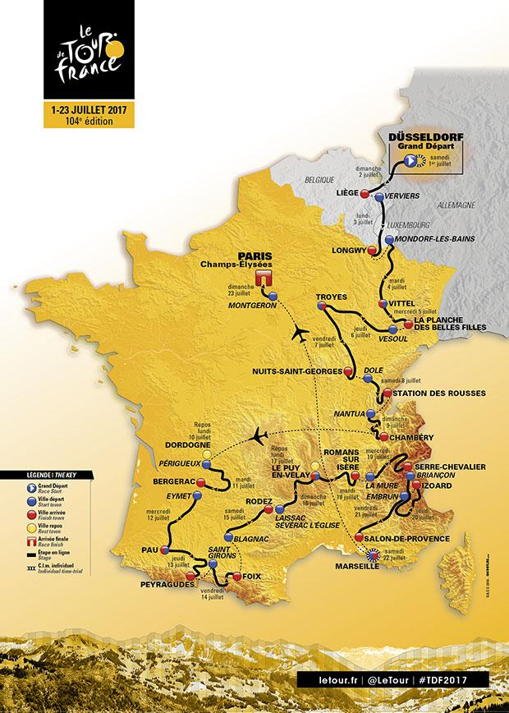
1 | ITT | 2017-07-01 | Düsseldorf > Düsseldorf | 13 km
2 | Flat | 2017-07-02 | Düsseldorf > Liège | 202 km
3 | Flat | 2017-07-03 | Verviers > Longwy | 202 km
4 | Flat | 2017-07-04 | Mondorf-les-Bains > Vittel | 203 km
5 | Mountain | 2017-07-05 | Vittel > La planche des belles filles | 160 km
6 | Flat | 2017-07-06 | Vesoul > Troyes | 216 km
7 | Flat | 2017-07-07 | Troyes > Nuits-Saint-Georges | 214 km
8 | Mountain | 2017-07-08 | Dole > Station des rousses | 187 km
9 | Mountain | 2017-07-09 | Nantua > Chambéry | 181 km
Rest Day | Rest Day | 2017-07-10 | Dordogne | Rest Day
10 | Flat | 2017-07-11 | Périgueux > Bergerac | 178 km
11 | Flat | 2017-07-12 | Eymet > Pau | 202 km
12 | Mountain | 2017-07-13 | Pau > Peyragudes | 214 km
13 | Mountain | 2017-07-14 | Saint-Girons > Foix | 100 km
14 | Flat | 2017-07-15 | Blagnac > Rodez | 181 km
15 | Hilly | 2017-07-16 | Laissac-Sévérac l'Église > Le Puy-en-Velay | 189 km
Rest Day | Rest Day | 2017-07-17 | Le Puy-en-Velay | Rest Day
16 | Flat | 2017-07-18 | Le Puy-en-Velay > Romans-sur-Isère | 165 km
17 | Mountain | 2017-07-19 | La Mure > Serre-Chevalier | 183 km
18 | Mountain | 2017-07-20 | Briançon > Izoard | 178 km
19 | Flat | 2017-07-21 | Embrun > Salon-de-Provence | 220 km
20 | ITT | 2017-07-22 | Marseille > Marseille | 23 km
21 | Flat | 2017-07-23 | Montgeron > Paris Champs-Élysées | 105 km

TdF2016 Stages
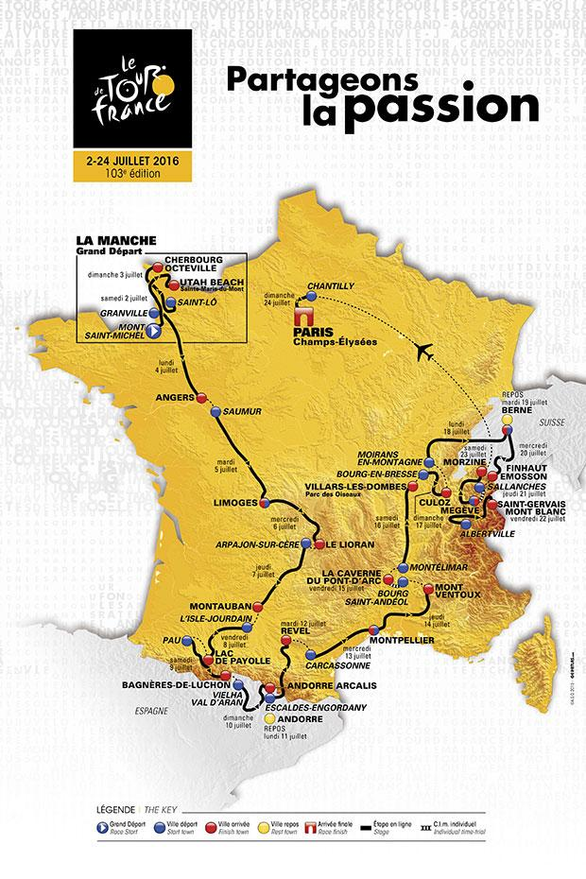
The Tour de France 2016

1 | Flat | 2016-07-02 | Mont-Saint-Michel > Utah Beach Sainte-Marie-du-Mont | 188 km
2 | Flat | 2016-07-03 | Saint-Lô > Cherbourg-Octeville | 182 km
3 | Flat | 2016-07-04 | Granville > Angers | 222 km
4 | Flat | 2016-07-05 | Saumur > Limoges | 232 km
5 | Hilly | 2016-07-06 | Limoges > Le Lioran | 216 km
6 | Flat | 2016-07-07 | Arpajon-sur-Cère > Montauban | 187 km
7 | Mountain | 2016-07-08 | L’Isle-Jourdain > Lac de Payolle | 162 km
8 | Mountain | 2016-07-09 | Pau > Bagnères-de-Luchon | 183 km
9 | Mountain | 2016-07-10 | Vielha Val d’Aran > Andorre Arcalis | 184 km
Rest Day | Rest Day | 2016-07-11 | Andorre | Rest Day
10 | Mountain | 2016-07-12 | Escaldes-Engordany > Revel | 198 km
11 | Flat | 2016-07-13 | Carcassonne > Montpellier | 164 km
12 | Mountain | 2016-07-14 | Montpellier > Mont Ventoux | 185 km
13 | ITT | 2016-07-15 | Bourg-Saint-Andéol > La Caverne du Pont-d'Arc | 37 km
14 | Flat | 2016-07-16 | Montélimar > Villars-les-Dombes Parc des Oiseaux | 208 km
15 | Mountain | 2016-07-17 | Bourg-en-Bresse > Culoz | 159 km
16 | Flat | 2016-07-18 | Moirans-en-Montagne > Berne | 206 km
Rest Day | Rest Day | 2016-07-19 | Berne | Rest Day
17 | Mountain | 2016-07-20 | Berne > Finhaut-Emosson | 184 km
18 | ITT | 2016-07-21 | Sallanches > Megève | 17 km
19 | Mountain | 2016-07-22 | Albertville > Saint-Gervais Mont Blanc | 146 km
20 | Mountain | 2016-07-23 | Megève > Morzine | 146 km
21 | Flat | 2016-07-24 | Chantilly > Paris Champs-Élysées | 113 km

TdF2015 Stages
The Tour de France 2015

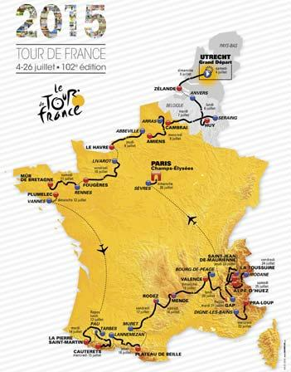
1 | ITT | 2015-07-04 | Utrecht > Utrecht | 13.8 km
2 | Flat | 2015-07-05 | Utrecht > Zélande | 166 km
3 | Flat | 2015-07-06 | Anvers > Huy | 159.5 km
4 | Hilly | 2015-07-07 | Seraing > Cambrai | 223.5 km
5 | Flat | 2015-07-08 | Arras Communauté Urbaine > Amiens Métropole | 189.5 km
6 | Flat | 2015-07-09 | Abbeville > Le Havre | 191.5 km
7 | Flat | 2015-07-10 | Livarot > Fougères | 190.5 km
8 | Flat | 2015-07-11 | Rennes > Mûr-de-Bretagne | 181.5 km
9 | TTT | 2015-07-12 | Vannes > Plumelec | 28 km
Rest Day | Rest Day | 2015-07-13 | Pau | Rest Day
10 | Mountain | 2015-07-14 | Tarbes > La Pierre-Saint-Martin | 167 km
11 | Mountain | 2015-07-15 | Pau > Cauterets - Vallée de Saint-Savin | 188 km
12 | Mountain | 2015-07-16 | Lannemezan > Plateau de Beille | 195 km
13 | Hilly | 2015-07-17 | Muret > Rodez | 198.5 km
14 | Hilly | 2015-07-18 | Rodez > Mende | 178.5 km
15 | Hilly | 2015-07-19 | Mende > Valence | 183 km
16 | Hilly | 2015-07-20 | Bourg-de-Péage > Gap | 201 km
Rest Day | Rest Day | 2015-07-21 | Gap | Rest Day
17 | Mountain | 2015-07-22 | Digne-les-Bains > Pra Loup | 161 km
18 | Mountain | 2015-07-23 | Gap > Saint-Jean-de-Maurienne | 186.5 km
19 | Mountain | 2015-07-24 | Saint-Jean-de-Maurienne > La Toussuire - Les Sybelles | 138 km
20 | Mountain | 2015-07-25 | Modane Valfréjus > Alpe d’Huez | 110.5 km
21 | Flat | 2015-07-26 | Sèvres - Grand Paris Seine Ouest > Paris Champs-Élysées | 109.5 k

TdF2014 Stages
The Tour de France 2014

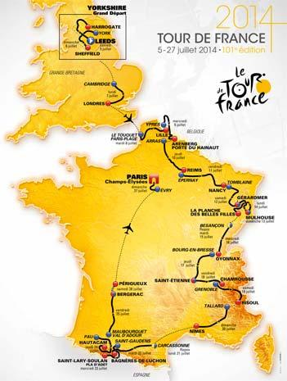
1 | Hilly | 2014-07-05 | Leeds > Harrogate | 190.5 km
2 | Hilly | 2014-07-06 | York > Sheffield | 201 km
3 | Flat | 2014-07-07 | Cambridge > Londres | 155 km
4 | Flat | 2014-07-08 | Le Touquet-Paris-Plage > Lille Métropole | 163.5 km
5 | Flat | 2014-07-09 | Ypres > Arenberg Porte du Hainaut | 155.5 km
6 | Flat | 2014-07-10 | Arras > Reims | 194 km
7 | Hilly | 2014-07-11 | Épernay > Nancy | 234.5 km
8 | Mountain | 2014-07-12 | Tomblaine > Gérardmer La Mauselaine | 161 km
9 | Mountain | 2014-07-13 | Gérardmer > Mulhouse | 170 km
10 | Mountain | 2014-07-14 | Mulhouse > La Planche des Belles Filles | 161.5 km
Rest Day | Rest Day | 2014-07-15 | Besançon | Rest Day
11 | Hilly | 2014-07-16 | Besançon > Oyonnax | 187.5 km
12 | Hilly | 2014-07-17 | Bourg-en-Bresse > Saint-Étienne | 185.5 km
13 | Mountain | 2014-07-18 | Saint-Étienne > Chamrousse | 197.5 km
14 | Mountain | 2014-07-19 | Grenoble > Risoul | 177 km
15 | Flat | 2014-07-20 | Tallard > Nîmes | 222 km
Rest Day | Rest Day | 2014-07-21 | Carcassonne | Rest Day
16 | Mountain | 2014-07-22 | Carcassonne > Bagnères-de-Luchon | 237.5 km
17 | Mountain | 2014-07-23 | Saint-Gaudens > Saint-Lary Pla d’Adet | 124.5 km
18 | Mountain | 2014-07-24 | Pau > Hautacam | 145.5 km
19 | Flat | 2014-07-25 | Maubourguet Pays du Val d’Adour > Bergerac | 208.5 km
20 | ITT | 2014-07-26 | Bergerac > Périgueux | 54 km
21 | Flat | 2014-07-27 | Évry > Paris Champs-Élysées | 137.5 km

TdF2013 Stages
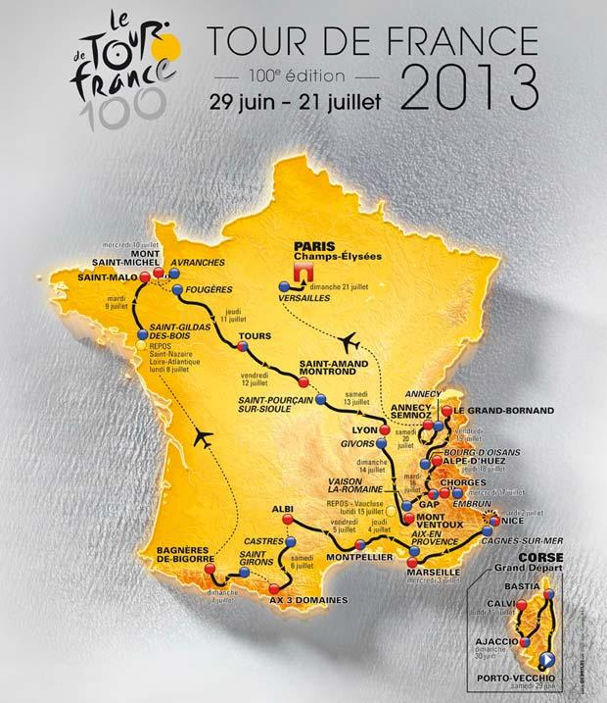
The 2013 Tour de France

1 | Flat | 2013-06-29 | Porto-Vecchio > Bastia | 212 km
2 | Mountain | 2013-06-30 | Bastia > Ajaccio | 154 km
3 | Hilly | 2013-07-01 | Ajaccio > Calvi | 145 km
4 | TTT | 2013-07-02 | Nice > Nice | 25 km
5 | Hilly | 2013-07-03 | Cagnes-sur-Mer > Marseille | 219 km
6 | Flat | 2013-07-04 | Aix-en-Provence > Montpellier | 176 km
7 | Mountain | 2013-07-05 | Montpellier > Albi | 205 km
8 | Mountain | 2013-07-06 | Castres > Ax 3 Domaines | 194 km
9 | Mountain | 2013-07-07 | Saint-Girons > Bagnères-de-Bigorre | 165 km
Rest Day | Rest Day | 2013-07-08 | Saint-Nazaire - Loire-Atlantique | Rest Day
10 | Flat | 2013-07-09 | Saint-Gildas-des-Bois > Saint-Malo | 193 km
11 | ITT | 2013-07-10 | Avranches > Mont-Saint-Michel | 33 km
12 | Flat | 2013-07-11 | Fougères > Tours | 218 km
13 | Flat | 2013-07-12 | Tours > Saint-Amand-Montrond | 173 km
14 | Hilly | 2013-07-13 | Saint-Pourçain-sur-Sioule > Lyon | 191 km
15 | Mountain | 2013-07-14 | Givors > Mont Ventoux | 242 km
Rest Day | Rest Day | 2013-07-15 | Vaucluse | Rest Day
16 | Mountain | 2013-07-16 | Vaison-la-Romaine > Gap | 168 km
17 | ITT | 2013-07-17 | Embrun > Chorges | 32 km
18 | Mountain | 2013-07-18 | Gap > Alpe-d’Huez | 168 km
19 | Mountain | 2013-07-19 | Bourg-d’Oisans > Le Grand-Bornand | 204 km
20 | Mountain | 2013-07-20 | Annecy > Le Semnoz | 125 km
21 | Flat | 2013-07-21 | Versailles > Paris Champs-Élysées | 118 km

TdF2012 Stages
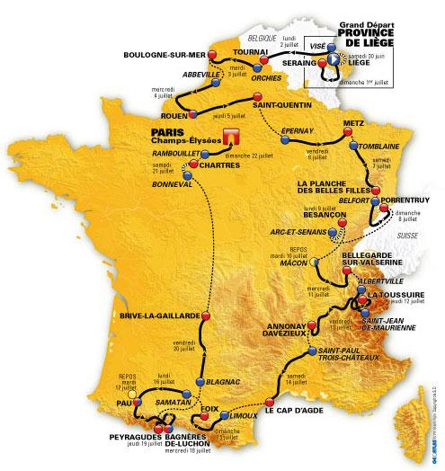
The Tour de France 2012
Stage | Type | Date | Start and Finish | Distance
Prologue | ITT | 2012-06-30 | Liège > Liège | 6.1 km
1 | Flat | 2012-07-01 | Liège > Seraing | 198 km
2 | Flat | 2012-07-02 | Visé > Tournai | 207 km
3 | Hilly | 2012-07-03 | Orchies > Boulogne-sur-Mer | 197 km
4 | Flat | 2012-07-04 | Abbeville > Rouen | 214 km
5 | Flat | 2012-07-05 | Rouen > Saint-Quentin | 197 km
6 | Flat | 2012-07-06 | Épernay > Metz | 210 km
7 | Hilly | 2012-07-07 | Tomblaine > La Planche des Belles Filles | 199 km
8 | Hilly | 2012-07-08 | Belfort > Porrentruy | 154 km
9 | ITT | 2012-07-09 | Arc-et-Senans > Besançon | 38 km
Rest Day | Rest Day | 2012-07-10 | Mâcon | Rest Day
10 | Mountain | 2012-07-11 | Mâcon > Bellegarde-sur-Valserine | 194 km
11 | Mountain | 2012-07-12 | Albertville > La Toussuire - Les Sybelles | 140 km
12 | Hilly | 2012-07-13 | Saint-Jean-de-Maurienne > Annonay Davézieux | 220 km
13 | Flat | 2012-07-14 | Saint-Paul-Trois-Châteaux > Le Cap d’Agde | 215 km
14 | Mountain | 2012-07-15 | Limoux > Foix | 192 km
15 | Flat | 2012-07-16 | Samatan > Pau | 160 km
Rest Day | Rest Day | 2012-07-17 | Pau | Rest Day
16 | Mountain | 2012-07-18 | Pau > Bagnères-de-Luchon | 197 km
17 | Mountain | 2012-07-19 | Bagnères-de-Luchon > Peyragudes | 144 km
18 | Flat | 2012-07-20 | Blagnac > Brive-la-Gaillarde | 215 km
19 | ITT | 2012-07-21 | Bonneval > Chartres | 52 km
20 | Flat | 2012-07-22 | Rambouillet > Paris Champs-Élysées | 130 km

